Sheet1
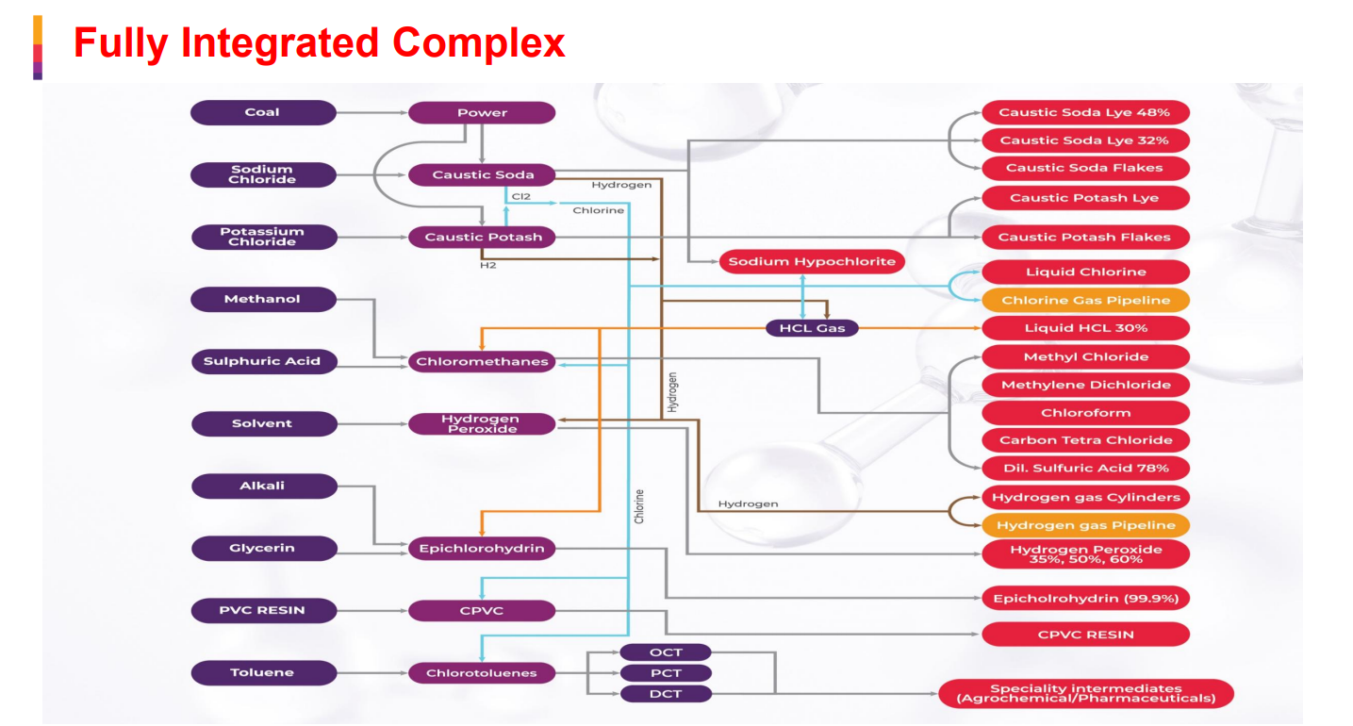
 |  |  | Industry Segment | Estimated Usage (%) | Primary Applications
 |  |  | Alumina Refining | ~20% | Extraction of alumina from bauxite ore for the aluminum industry.
 |  |  | Organic Chemicals | ~18-20% | Synthesis of intermediates for dyes, agrochemicals, and plastics. | Methanol - 100% up
 |  |  | Textiles | ~15-18% | Mercerization of cotton, scouring, and synthetic fiber (rayon/staple) production.
 |  |  | Soaps & Detergents | ~10-12% | Saponification of fats and oils; manufacturing of surfactants. | CMD
 |  |  | Pulp & Paper | ~10% | Cooking/pulping of wood and bleaching processes.
 |  |  | Water Treatment | ~5% | pH regulation and neutralization of acidic waste streams.
 |  |  | Pharmaceuticals | ~4% | Drug synthesis and pH control in various chemical reactions.

 |  |  |  |  |  | Caustic, crude glycerin south east asia countriies - 60% increase
 |  |  |  |  |  | 105 to 180
 |  |  | Market Size: Demand vs. Supply (2025–2026) |  |  | 22% margins

 |  |  | Total Capacity: India’s installed capacity is estimated at approximately 5.2 to 5.5 million MTPA as of early 2026, following several years of aggressive expansion at a 9% CAGR. |  |  | PVC resin - 85 Rs before it was 70 went up to 110

 |  |  | Total Demand: Domestic consumption for FY26 is projected at 4.8 to 5.0 million MT. |  |  | Toluene - crude based -

 |  |  | Market Growth: Demand is growing at a CAGR of 4.5% to 5.5%, supported by robust industrial activity despite global geopolitical headwinds. |  |  | China - incentives not getting anymore, in efficient plans thye are shutting down
 |  |  |  |  |  | Rebate - 13%. Pvc prices were 55-60 Rs.
 |  |  | Production Status: Most Indian plants are operating at high efficiency (80-85% utilization), utilizing modern Membrane Cell Technology

 |  |  |  |  |  | Glycerin
 |  |  |  |  |  | PVC Resin
 |  |  |  |  |  | Toluene
 |  |  | ECH:
 |  |  | Market Size & Demand (2025–2026)

 |  |  | Annual Demand: Estimated at approximately 118,000 to 125,000 tons per annum (KTPA) for the FY2026 period.

 |  |  | Growth Rate: The market is currently expanding at a CAGR of 9.7% to 11%, significantly outpacing global growth rates of ~3-4%.

 |  |  | Supply-Demand Gap: Despite new domestic production, India remains a net importer, as the current domestic capacity satisfies roughly 40-45% of the total requirement.
CPVC - demand 310,000
Company | Installed Capacity (approx.) | Status / Recent Milestone
Epigral (Meghmani) | 75,000 MTPA | Currently the largest single-site facility in India (Dahej). They commissioned a major 45,000 MT expansion in 2024–25.
Lubrizol & Grasim | 100,000 MTPA | Their mega-plant in Vilayat, Gujarat is now a primary supplier, fulfilling their goal to create a regional hub for South Asia.
DCW Limited | 50,000 MTPA | Successfully commissioned a final 10,000 MT expansion on March 30, 2026, bringing total capacity up from 40,000 MT.

Chlorotoluene
Usage Agrochem - 34%, pharma - 30%, Dyes - 15%, spec chem and ploymers - 10-15%
Demand - 70,000 MT domestic capacity - 50-55%
GACL capacity - 30,000 epigral - 25000

